1AWS
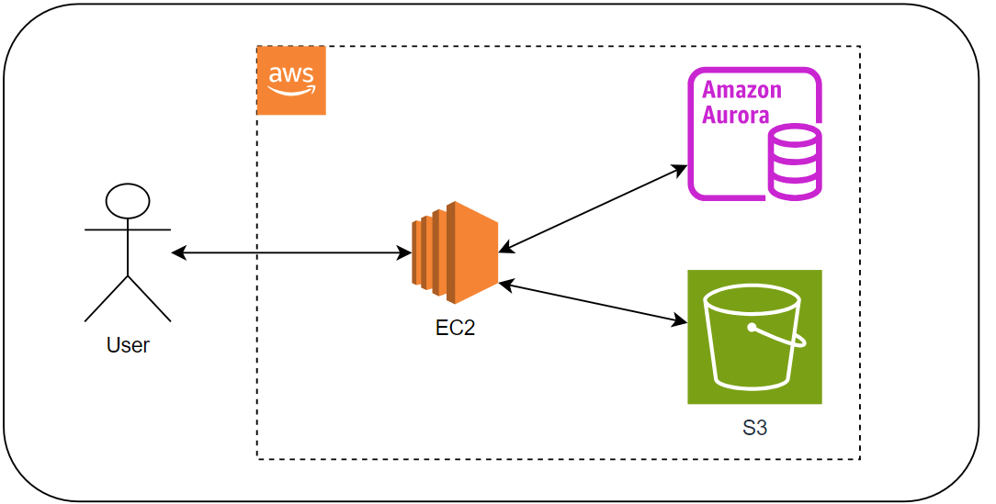

1 | ec2
 |  | - where laravel app deployed

2 | Amazon Aurora MySQL
 |  | - DB for laravel app

3 | s3
 |  | - Store image files

3Source Code
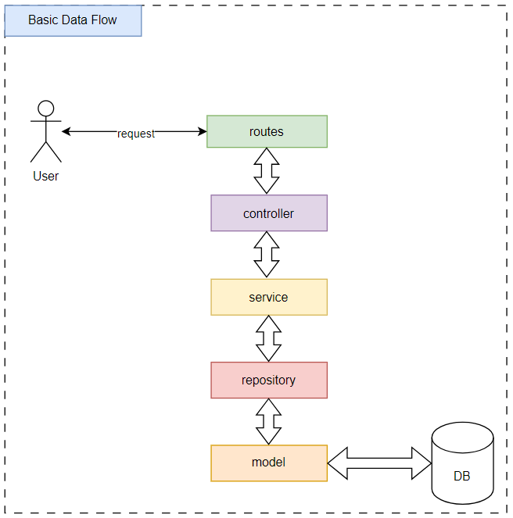
1 | Docker
 | - Dockerfile
 | - docker-compose.yml

2 | Coding standard
 | 2024-01-02 | php-cs-fixer |  | PHP coding standards
 | 2024-02-02 | phpmd |  | https://phpmd.org/

3 | Source Code
 | 3.1 Database
 |  | Folder: database\migrations
 | 2024-02-03 | Model
 |  | app/Models/user.php
 | 2024-03-03 | Controller
 |  | app\Http\Controllers\UserController.php
 | 2024-04-03 | Repositories
 |  | app\Repositories\UserRepository.php
 | 2024-05-03 | Services
 |  | app\Services\UserService.php
 | 2024-06-03 | Policies
 |  | app\Policies\UserPolicy.php
 | 2024-07-03 | Enums
 |  | app\Enums\UserRole.php
 | 2024-08-03 | Multi Languages
 |  |  | resources\lang\en\user.php
 |  |  | resources\lang\ja\user.php
 | 2024-09-03 | Data Flow

